Side-Nav
Project Name : | Health Plus

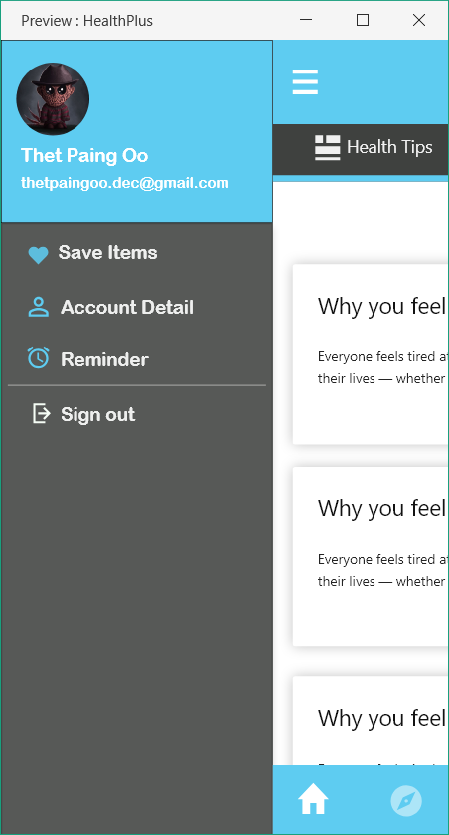

Test Case ID: | SNv_1 |  |  | Test Design by: | Nanda Aung
Test Priority: | Normal |  |  | Test Design Date: | 2017-10-18
Module Name: | Home |  |  | Test Executed by:
Test Title: | Testing the side navigation of the home |  |  | Test Execution Date:
Description:

Pre-Conditions: | open the app and sign-in. Access the home page and click the side navigation
Dependencies:

Step | Test Steps | Test Data | Expected results | Actual results | Status | Notes
1 | Click Save Item |  | go to saved item
2 | Click Account Detail |  | go to account details
3 | Click Reminder |  | go to reminder
4 | Click Sign Out |  | user signed out

Project Name : | Health Plus
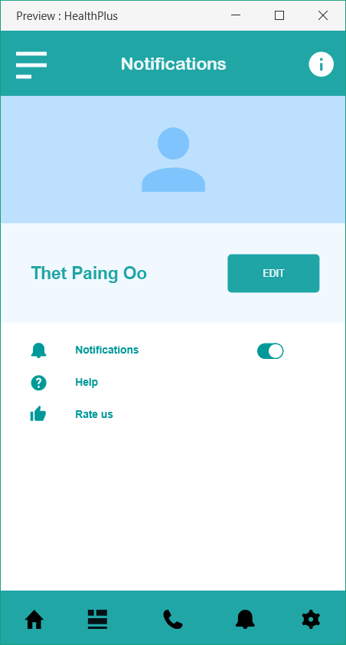

Test Case ID: | SNv_2 |  |  | Test Design by: | Nanda Aung
Test Priority: | Normal |  |  | Test Design Date: | 2017-10-18
Module Name: | Side_Nav |  |  | Test Executed by:
Test Title: | Testing the details page of side nav |  |  | Test Execution Date:
Description:

Pre-Conditions: | open the app and sign-in. Access the home page, click the side navigation and click account details
Dependencies:

Step | Test Steps | Test Data | Expected results | Actual results | Status | Notes
1 | Click edit |  | go to account edit
2 | Click slider beside Notification |  | show any message that tells user that notifications are turned off
3 | Click Help |  | go to help page
4 | Click Rate |  | go to rating page

Account Edit
Project Name : | Health Plus
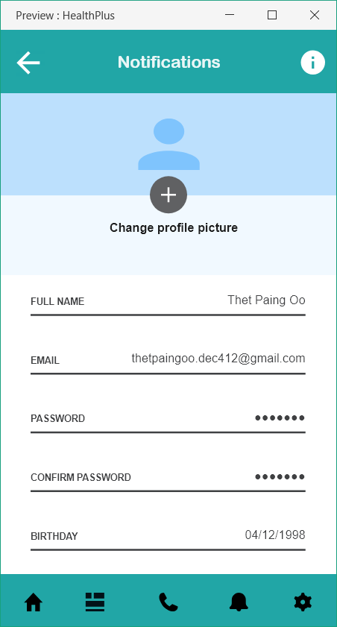

Test Case ID: | A_Edit1 |  |  | Test Design by: | Nanda Aung
Test Priority: | Normal |  |  | Test Design Date: | 2017-10-18
Module Name: | Account Details |  |  | Test Executed by:
Test Title: | Testing the account edit |  |  | Test Execution Date:
Description:

Pre-Conditions: | open the app and sign-in. Access the home page, click the side navigation, click account details and click edit
Dependencies:

Step | Test Steps | Test Data | Expected results | Actual results | Status | Notes
1 | Click change profile picture |  | can upload or select new profile picture
2 | Click Full name |  | enable the user to edit full name
3 | Click Email |  | enable the user to edit email
4 | Click Password |  | enable the user to edit password
5 | Click Confirm Password |  | show error if the entered data is not same with new password data and show some notification when it is same
6 | Click Birthday |  | enable the user to edit birthday

Log-In
Project Name : | Health Plus
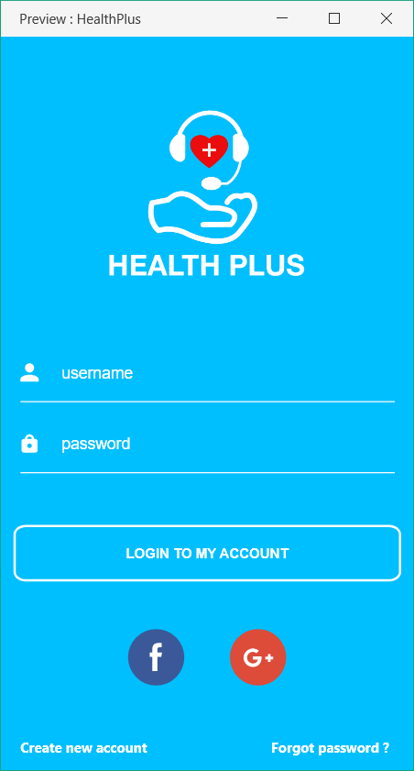

Test Case ID: | Log-In1 |  |  | Test Design by: | Nanda Aung
Test Priority: | Normal |  |  | Test Design Date: | 2017-10-18
Module Name: | Log in |  |  | Test Executed by:
Test Title: | Testing the log in page |  |  | Test Execution Date:
Description:

Pre-Conditions: | open the app
Dependencies:

Step | Test Steps | Test Data | Expected results | Actual results | Status | Notes
1 | Click Log in | Username: Password: | Log in
2 | Click Log in | Username: Password: | Log in fail
3 | Click Log in | Username: Password: | Log in fail
4 | Click Log in | Username: Password: | Log in fail
5 | Click Log in | Username: Password: | Log in fail
6 | Click Log in | Username: Password: | Log in fail
7 | Click Facebook Logo |  | enable the user to log in with Facebook
8 | Click Google Logo |  | enable the user to log in with Google
9 | Click Create New Account |  | enable the user to create new account
10 | Click Forgot Password |  | enable the user to reset password

Navigation bar
Project Name : | Health Plus

Test Case ID: | TNv_1 |  |  | Test Design by: | Nanda Aung
Test Priority: | Normal |  |  | Test Design Date: | 2017-10-18
Module Name: | Home |  |  | Test Executed by:
Test Title: | Testing the nav bar |  |  | Test Execution Date:
Description:

Pre-Conditions: | open the app and log in
Dependencies:

Step | Test Steps | Test Data | Expected results | Actual results | Status | Notes
1 | Click side bar |  | side bar opens
2 | Click information icon |  | show app information

Project Name : | Health Plus

Test Case ID: | Bnav_1 |  |  | Test Design by: | Nanda Aung
Test Priority: | Normal |  |  | Test Design Date: | 2017-10-18
Module Name: | Home |  |  | Test Executed by:
Test Title: | Testing the nav bar |  |  | Test Execution Date:
Description:

Pre-Conditions: | open the app and log in
Dependencies:

Step | Test Steps | Test Data | Expected results | Actual results | Status | Notes
1 | Click Home |  | leads to home
2 | Click list icon |  | show list of hospital and doctors
3 | Click Phone |  | leads to contact number
4 | Click Notification |  | leads to notifications
5 | Click Setting |  | leads to settings

Project Name : | Health Plus

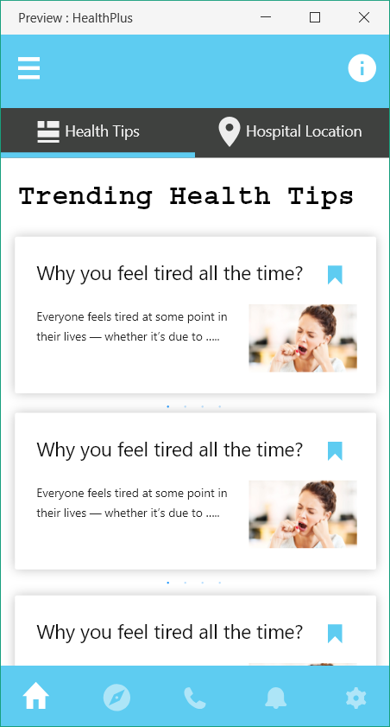

Test Case ID: | Bnav_2 |  |  | Test Design by: | Nanda Aung
Test Priority: | Normal |  |  | Test Design Date: | 2017-10-18
Module Name: | Navigation |  |  | Test Executed by:
Test Title: | Testing the home page |  |  | Test Execution Date:
Description:

Pre-Conditions: | open the app and log in, click home icon, click health tips
Dependencies:

Step | Test Steps | Test Data | Expected results | Actual results | Status | Notes
1 | Click health tip |  | show health tips
2 | Click individual health tip |  | show detail information of the health tip

Project Name : | Health Plus

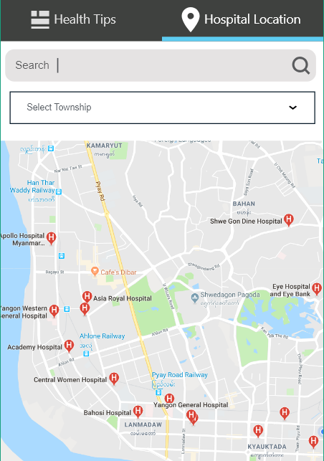

Test Case ID: | Bnav_3 |  |  | Test Design by: | Nanda Aung
Test Priority: | Normal |  |  | Test Design Date: | 2017-10-18
Module Name: | Navigation |  |  | Test Executed by:
Test Title: | Testing the home page |  |  | Test Execution Date:
Description:

Pre-Conditions: | open the app and log in, click home icon, click hospital locations
Dependencies:

Step | Test Steps | Test Data | Expected results | Actual results | Status | Notes
1 | Click search bar | test data | Hopital found
2 | Click search bar | test data | Hopital not found
3 | Click selected township |  | show availabe township to select and show the hospitals in that township

Project Name : | Health Plus

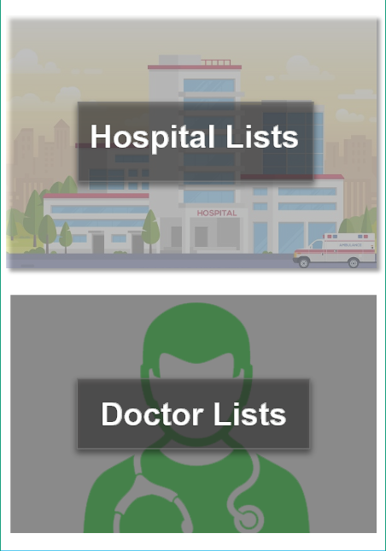

Test Case ID: | Bnav_4 |  |  | Test Design by: | Nanda Aung
Test Priority: | Normal |  |  | Test Design Date: | 2017-10-18
Module Name: | Navigation |  |  | Test Executed by:
Test Title: | Testing the List page |  |  | Test Execution Date:
Description:

Pre-Conditions: | open the app and log in, click List icon
Dependencies:

Step | Test Steps | Test Data | Expected results | Actual results | Status | Notes
1 | Click Hospital Lists |  | Show hospitals
2 | Click Doctor Lists |  | Show Doctors

Project Name : | Health Plus

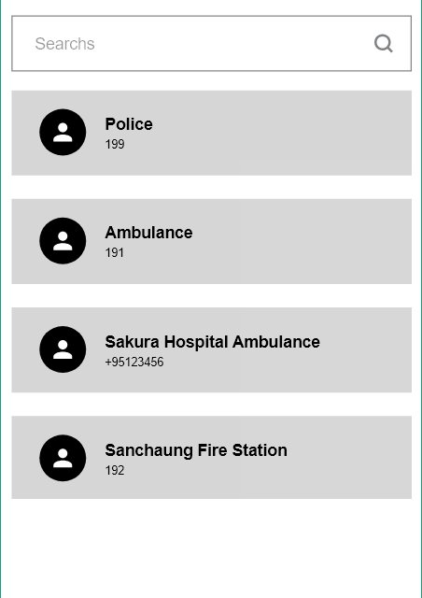

Test Case ID: | Bnav_5 |  |  | Test Design by: | Nanda Aung
Test Priority: | Normal |  |  | Test Design Date: | 2017-10-18
Module Name: | Navigation |  |  | Test Executed by:
Test Title: | Testing the contact page |  |  | Test Execution Date:
Description:

Pre-Conditions: | open the app and log in, click List icon
Dependencies:

Step | Test Steps | Test Data | Expected results | Actual results | Status | Notes
1 | Click search bar | test data | Show search contact data
2 | Click search bar | test data | show error or not found message

